Piston & Ring Calibration
 |  | SAFETY, HEALTH, ENVIRONMENT AND QUALITY MANAGEMENT SYSTEM MAIN ENGINE PISTON AND PISTON RINGS CALIBRATION REPORT REPORTING FORMS MANUAL |  |  |  |  |  |  |  |  |  |  |  |  | Page : 1 of 1 Form : 6.6.6 Date : 11-Aug-25 Rev : 10.0 App By : DPA

VESSEL : |  |  |  |  |  |  |  |  |  |  |  |  |  | DATE :

GROOVES CHROME PLATED |  |  |  |  |  | GROOVES EQUIPPED WITH WEAR RINGS |  |  |  |  |  |  | ALL MEASUREMENT IN mm

M. V./M. T. |  |  |  |  |  |  |  |  | Main Engine Type |  |  |  | Cylinder No. (From Forward)

P I S T O N |  |  |  |  |  |  |  |  |  |  |  |  | Date of Calibration

Crown and Lands |  |  |  |  |  |  | Date Renewed : |  |  |  |  |  | Port of Calibration

Guide Ring |  |  |  |  |  |  | Date Renewed : |  |  |  |  |  | Total Engine Oper. Hrs.

Skirt |  |  |  |  |  |  | Date Renewed : |  |  |  |  |  | Piston Stamp

Rubbing Band |  |  |  |  |  |  | Date Renewed : |  |  |  |  |  | Date Piston Installed

Groove No. |  | Measurement ‘H’ |  |  | C O N D I T I O N |  |  |  |  |  |  |  | Service Hrs. of Piston
 |  | Present Maximum | Original/Max Allowed
1 |  |  |  |  |  |  |  |  |  |  |  |  | Hrs. Since Last Overhaul
2
3 |  |  |  |  |  |  |  |  |  |  |  |  | Crown Burning
4
5 |  |  |  |  |  |  |  |  |  |  |  |  | Reason for Overhaul
6
7
Worn Groove
Worn Groove
 |  |  | Rings Old Order |  | Axial Thickness |  |  |  | Radial Thickness |  |  |  | Butt Clr in Liner/Max Allowed | Rings New Order |  | Axial Clr./ Max Allowed
 |  |  |  |  | New/Min Allowed | Now |  |  | New/Min Allowed | Now
 |  |  | No. | L.H/R.H |  | A | B | C |  | A | B | C |  | No. | L.H/R.H
H
 |  |  | 1

 |  |  | 2
D
 |  |  | 3
Piston Rings
1/4 D
 |  |  | 4

 |  |  | 5

Butt
Clearance
Axial Clrc.
 |  |  | 6
(Ring Shown is L.H.)
 |  |  | 7

B
 |  |  | 8
A
C
 |  |  | 9

 |  |  | General Remarks on Cond of Piston Rings

Points A & C Taken
 | m.m. From Butt. |  | PISTON ROD, STUFFING-BOX AND STUDS

Condition of Rod

Condition of Piston Studs & Nuts

Stuffing Box | Overhauled |  | YES |  |  |  |  |  |  | NO

 |  |  |  |  |  |  |  |  |  |  | Chief Engineer

ME1 Stuffing box
 | SAFETY, HEALTH, ENVIRONMENT AND QUALITY MANAGEMENT SYSTEM MAIN ENGINE STUFFING BOX REPORT REPORTING FORMS MANUAL |  |  |  |  |  |  |  |  |  | Page : 1 of 1 Form : 6.6.6 Date : 11-Aug-25 Rev : 10.0 App By : DPA

VESSEL : |  |  |  |  |  |  |  | DATE :

Unit No.
 | Date/Port of Overhaul |  |  |  | Running Hours Since Last Overhaul

Ring Position |  | Clearance Ring/Ring and Ring/Groove |  |  | Radial Ring With
 |  |  |  |  | Upper Segment |  |  | Lower Segment
 |  |  |  |  |  | Limit | Present |  | Limit | Present
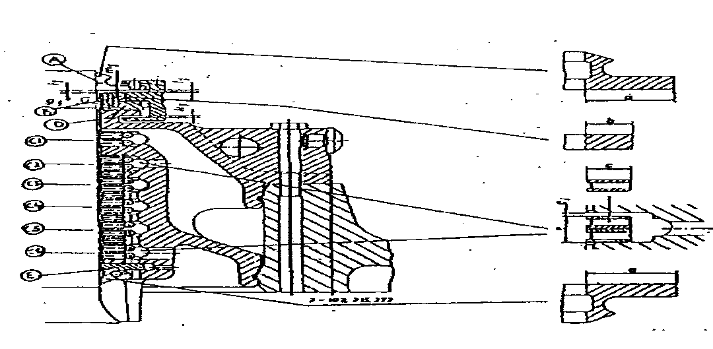
Upper Stuffing Box |  |  | Limit | Present
Upper Oil Scrapper Ring | (A) | Il |  |  | a
Upper Sealing Ring | (B) | ml |  |  | b
Guide Ring | (D) | Ll
 |  | kl
 |  | gl
Lower Stuffing Box
Oil Scraper Ring | C1 | el |  |  | c
Oil Scraper Ring | C2 | el |  |  | c
Oil Scraper Ring | C3 | el |  |  | c
Oil Scraper Ring | C4 | el |  |  | c
Oil Scraper Ring | C5 | el |  |  | c
Oil Scraper Ring | C6 | el |  |  | c
Lower Oil Scraper Ring | (E) |  |  |  | a

Reason for Overhaul |  | Routine |  |  |  |  | Excessive Oil Leakage
Condition of Piston Rod
Condition of Stuffing Box Rings & Garter Springs When Dismantled

Parts Renewed (Specify)

Second Engineer |  |  |  |  |  | Chief Engineer

ME3 Stuffing box
 | SAFETY, HEALTH, ENVIRONMENT AND QUALITY MANAGEMENT SYSTEM MAIN ENGINE STUFFING BOX REPORT REPORTING FORMS MANUAL |  |  |  |  | Page : 1 of 1 Form : 6.6.6 Date : 11-Aug-25 Rev : 10.0 App By : DPA

VESSEL : |  |  | DATE :

Unit No | Date/Port of Overhaul |  |  |  | Running Hours Since Last Overhaul

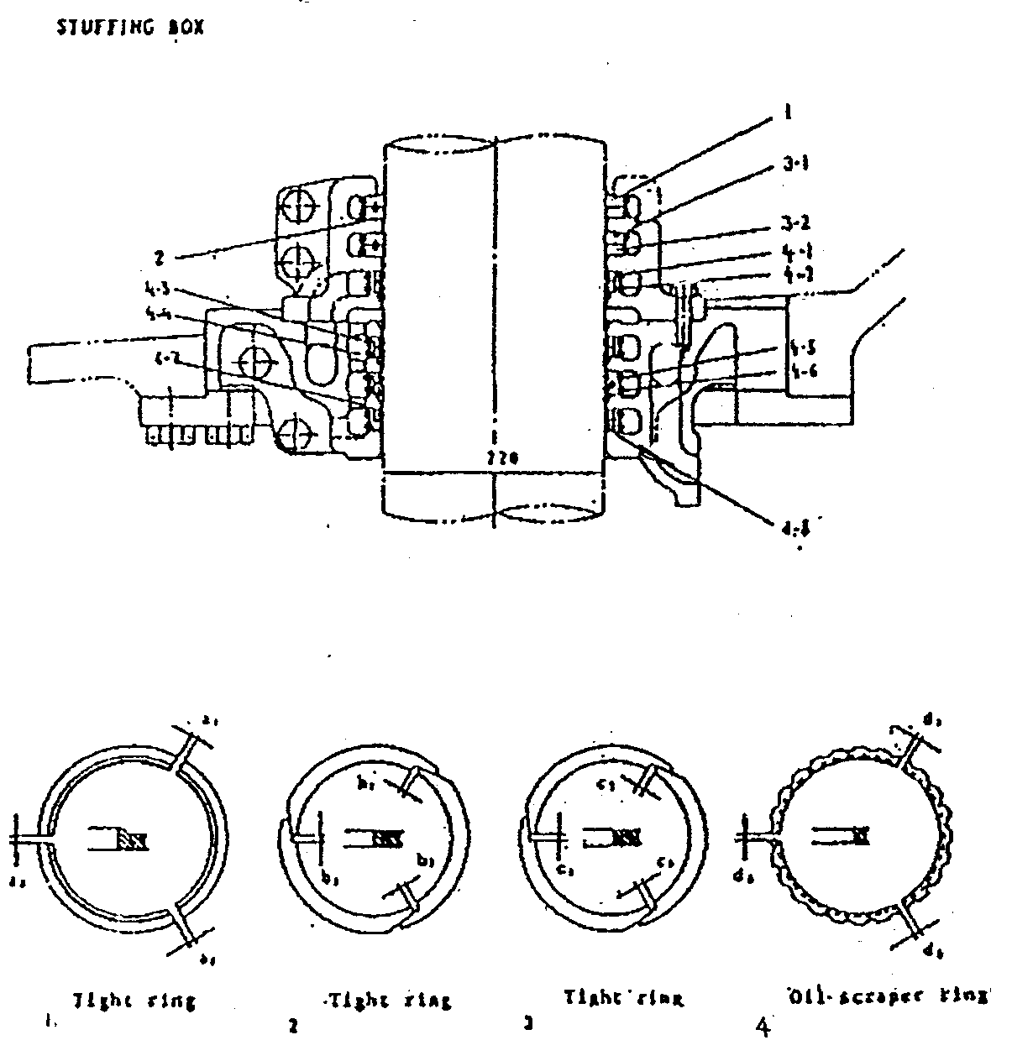
Ring Position |  | Total Gap Clearance
 |  | Standard | Limit | Present
Upper Stuffing Box
Tightening Ring | -1
Tightening Ring | -2
Tightening Ring | (3-1)
Tightening Ring | (3-2)
Oil Scraper Ring | (4-1)
Oil Scraper Ring | (4-2)
Lower Stuffing Box
Oil Scraper Ring | (4-3)
Oil Scraper Ring | (4-4)
Oil Scraper Ring | (4-5)
Oil Scraper Ring | (4-6)
Oil Scraper Ring | (4-7)
Oil Scraper Ring | (4-8)

Reason for Overhaul | Routine |  | Excessive Oil Leakage
Condition of Piston Rod
Condition of Stuffing Box Rings & Garter Springs When Dismantled
Parts Renewed (Specify):

Second Engineer |  |  |  | Chief Engineer
Notes:

